Blackheart Gravel AL 2024
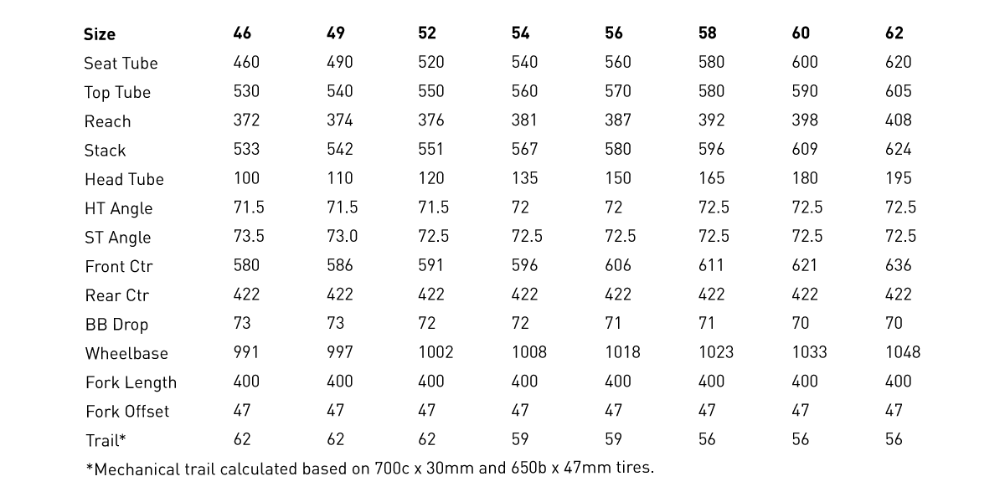
model | Blackheart Gravel AL
model year | 2024
input date | 30-Jun-23
URL | https://blackheartbikeco.com/products/gravel-al
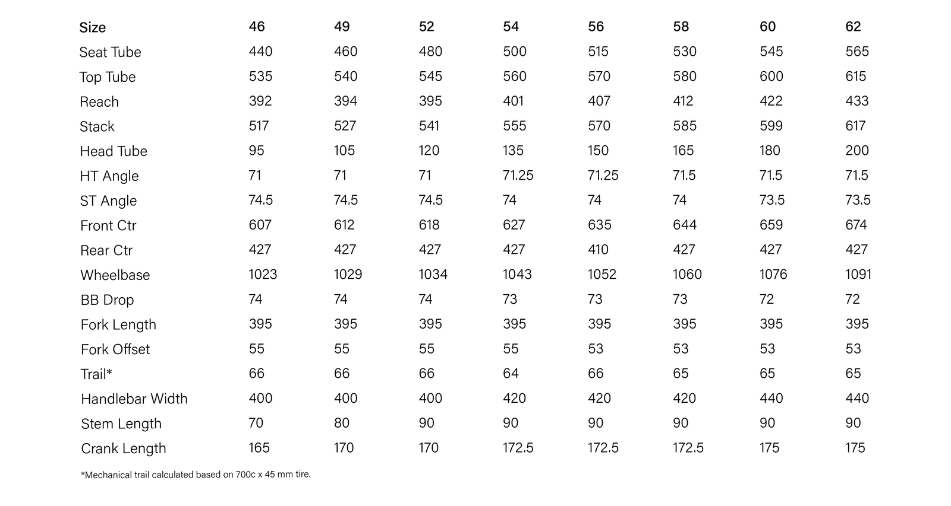
Material | aluminum
frame_size | Size | 46 | 49 | 52 | 54 | 56 | 58 | 60 | 62
seat_tube_length | Seat Tube | 440 | 460 | 480 | 500 | 515 | 530 | 545 | 565
top_tube_effective_length | Top Tube | 535 | 540 | 545 | 560 | 570 | 580 | 600 | 615
reach | Reach | 392 | 394 | 395 | 401 | 407 | 412 | 422 | 433
stack | Stack | 517 | 527 | 541 | 555 | 570 | 585 | 599 | 617
head_tube_length | Head Tube | 95 | 105 | 120 | 135 | 150 | 165 | 180 | 200
head_tube_angle | HT angle | 71 | 71 | 71 | 71.25 | 71.25 | 71.5 | 71.5 | 71.5
seat_tube_angle | ST angle | 74.5 | 74.5 | 74.5 | 74 | 74 | 74 | 73.5 | 73.5
front_center | Front Ctr | 607 | 612 | 618 | 627 | 635 | 644 | 659 | 674
chainstay_length | Rear Ctr | 427 | 427 | 427 | 427 | 410 | 427 | 427 | 427
wheelbase | Wheelbase | 1023 | 1029 | 1034 | 1043 | 1052 | 1060 | 1076 | 1091
bottom_bracket_drop | BB Drop | 74 | 74 | 74 | 73 | 73 | 73 | 72 | 72
axle_crown | Fork Length | 395 | 395 | 395 | 395 | 395 | 395 | 395 | 395
fork_offset_rake | Fork Offset | 55 | 55 | 55 | 55 | 53 | 53 | 53 | 53
trail | Trail | 66 | 66 | 66 | 64 | 66 | 65 | 65 | 65
handlebar_width | handlebar_width | 400 | 400 | 400 | 420 | 420 | 420 | 440 | 440
stem_length | stem_length | 70 | 80 | 90 | 90 | 90 | 90 | 90 | 90
crank_length | crank_length | 165 | 170 | 170 | 172.5 | 172.5 | 172.5 | 175 | 175
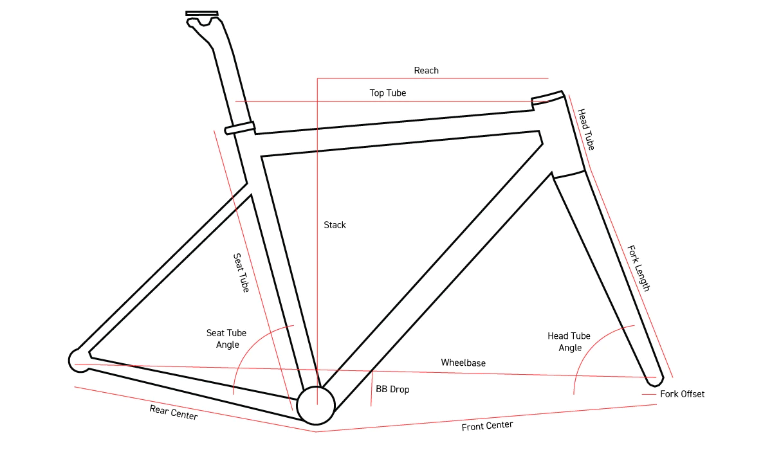
standover | standover
wheel_size | wheel_size | 700 | 700 | 700 | 700 | 700 | 700 | 700 | 700
tire_width_spec | tire_width_spec | 45 | 45 | 45 | 45 | 45 | 45 | 45 | 45
tire_width_max | tire_width_max | 47 | 47 | 47 | 47 | 47 | 47 | 47 | 47
rider_min |  | 155 | 160 | 168 | 173 | 178 | 183 | 188 | 193
rider_max |  | 160 | 168 | 173 | 178 | 183 | 188 | 193 | 198

